ART
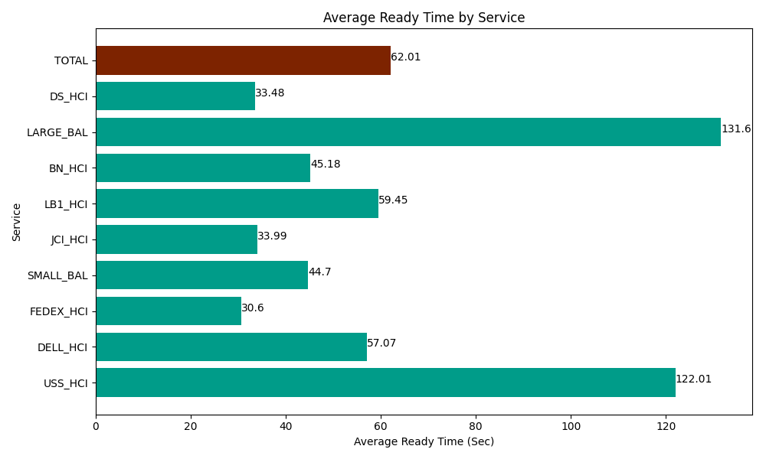
Date | Service | Successful Op Transfer | In Call (Sec) | Ready (Sec) | Wrapup (Sec) | Not Ready (Sec) | Average Ready Time (Sec)
06-04-2024 | USS_HCI | 141 | 21016.199341 | 17203.200073 | 24120 | 24872.999268 | 122.01
06-04-2024 | DELL_HCI | 242 | 22057.800293 | 13810.799561 | 66864.001465 | 57193.198242 | 57.07
06-04-2024 | FEDEX_HCI | 27 | 3084.0000916 | 826.20002747 | 1742.9999542 | 3427.8000641 | 30.6
06-04-2024 | SMALL_BAL | 85 | 6229.1999817 | 3799.8001099 | 14407.800293 | 12190.19989 | 44.7
06-04-2024 | JCI_HCI | 554 | 50727.000732 | 18832.199707 | 61225.799561 | 28018.800659 | 33.99
06-04-2024 | LB1_HCI | 171 | 19879.200439 | 10165.799561 | 16837.199707 | 17190 | 59.45
06-04-2024 | BN_HCI | 556 | 34417.199707 | 25120.200806 | 35642.999268 | 46542.000732 | 45.18
06-04-2024 | LARGE_BAL | 3 | 208.20000172 | 394.79999542 | 303.00001144 | 160.20000458 | 131.6
06-04-2024 | DS_HCI | 500 | 35623.198242 | 16741.199341 | 39889.200439 | 59404.801025 | 33.48
 | TOTAL | 2279 | 193241.99883 | 106894.19918 | 261033.0007 | 248999.99989 | 62.01

